Guide
Choropleth Maps in Excel |  |  |  | 
District Level Maps

This tool enables the quick creation of Choropleth Maps within MS Excel, meaning you can create a coloured map of at a district level to display your data, without needing to learn mapping software like QGIS or PowerBI.
This guide will briefly explain how to use the tool, to enable you to get the best looking maps for your documents.

Contents:
Enabing Macros | Inserting Your Data | Updating Your Map | Changing the Colour Scheme

Step One: Enable Macros

This tool requires the use of Macros. When you first open the document, you may see the message below displayed at the top of your screen. Make sure you press "Enable Content", as this will allow the maps to update.

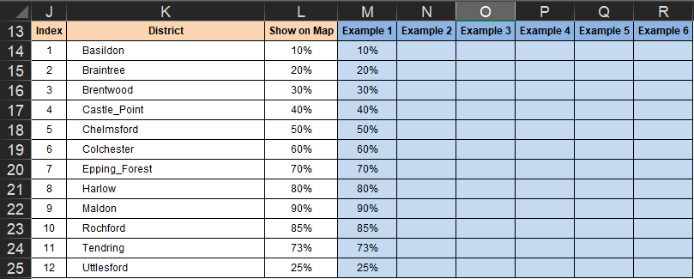
Step Two: Inserting Your Data

First, head to the 'Interactive_Map' tab.

You will see the table shown here.
This is the table in which you will insert datasets to show on the map

You can include as many as six datasets by updating the blue cells in range
M14:R25

To update the title of the dataset and ensure it is clear to your audience
what you are displaying on your maps, you should use cells M13:R13
(in the image to the right these cells are showing Example 1 - Example 6

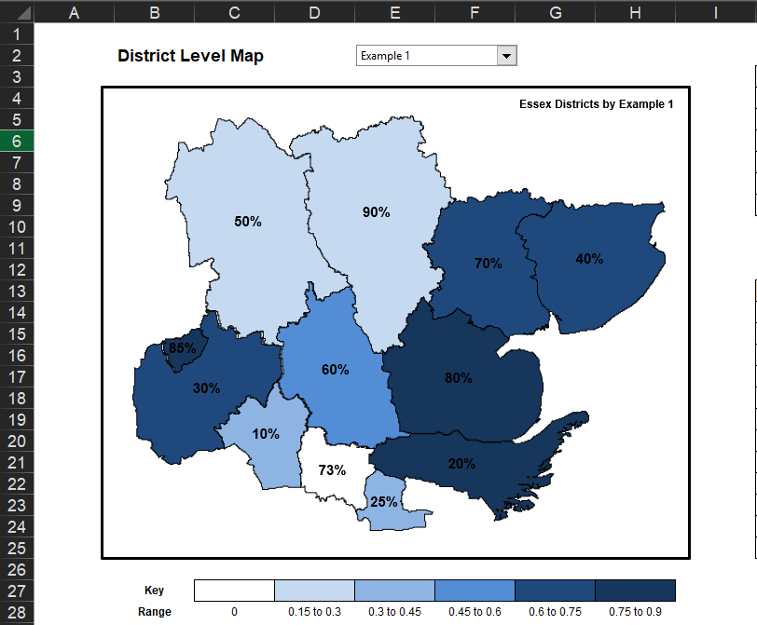
Step Three: Updating your Map

Once you have updated your data table, use the drop down box in
cells E2:F2 to update your chart with the indicator you want to see
on the map.

NOTE: You MUST change the indicator at least once for the map to update
Changing the content of the drop down box kicks the Macro into action,
and means your chart will update

The chart title in the top right corner of the map will automatically update
to read "Essex Districts by…" and then the name of the dataset you are
showing.

The range is automatically calculated to show equal increments to the
maximum value in your dataset

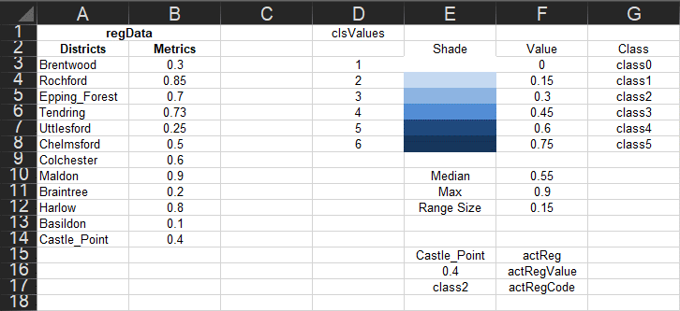
Step Four: Changing the Colour of your Map

If you want to change the colour formatting of your map, you need to head to
the ShadingMacros tab

To update the colour scheme of the map, simply change the colours
displayed in the range E3:E8

Head back to the Interactive_Map tab, and update your key in the range
C27:H27

NOTE: You MUST change the indicator at least once for the map to update
Changing the content of the drop down box kicks the Macro into action,
and means your chart will update

Interactive_Map
Essex Districts by Example 2
District Level Map |  |  |  |  |  |  | DO NOT AMEND THIS TABLE
 |  |  |  |  |  |  | Selector Items
 |  |  |  |  |  |  | 1 | Example 1 | 1
 |  |  |  |  |  |  | 2 | Example 2 | 2
 |  |  |  |  |  |  | 3 | Example 3 | 3
 |  |  |  |  |  |  | 4 | Example 4 | 4
 |  |  |  |  |  |  | 5 | Example 5 | 5
25
15
 |  |  |  |  |  |  | 6 | Example 6 | 6

19
24
 |  |  |  |  |  |  | DO NOT AMEND THESE COLUMNS |  |  | 2 | Essex Districts by Example 2
 |  |  |  |  |  |  | Index | District | Show on Map | Example 1 | Example 2 | Example 3 | Example 4 | Example 5 | Example 6
 |  |  |  |  |  |  | 1 | Basildon | 14 | 10% | 1
21
 |  |  |  |  |  |  | 2 | Braintree | 15 | 20% | 2
18
23
 |  |  |  |  |  |  | 3 | Brentwood | 16 | 30% | 3
20
 |  |  |  |  |  |  | 4 | Castle_Point | 17 | 40% | 4
 |  |  |  |  |  |  | 5 | Chelmsford | 18 | 50% | 5
16
 |  |  |  |  |  |  | 6 | Colchester | 19 | 60% | 6
17
 |  |  |  |  |  |  | 7 | Epping_Forest | 20 | 70% | 7
14
 |  |  |  |  |  |  | 8 | Harlow | 21 | 80% | 6
23
 |  |  |  |  |  |  | 9 | Maldon | 22 | 90% | 5
 |  |  |  |  |  |  | 10 | Rochford | 23 | 85% | 4
 |  |  |  |  |  |  | 11 | Tendring | 24 | 73% | 2
 |  |  |  |  |  |  | 12 | Uttlesford | 25 | 25% | 3

Key
Range | 0 | 4.16666666666667 to 8.33333333333333 | 8.33333333333333 to 12.5 | 12.5 to 16.6666666666667 | 16.6666666666667 to 20.8333333333333 | 20.8333333333333 to 25

ShadingMacros
regData |  | clsValues
Districts | Metrics |  | Shade | Value | Class
Brentwood | 16 | 1 |  | 0 | class0
Rochford | 23 | 2 |  | 4.1666666667 | class1
Epping_Forest | 20 | 3 |  | 8.3333333333 | class2
Tendring | 24 | 4 |  | 12.5 | class3
Uttlesford | 25 | 5 |  | 16.666666667 | class4
Chelmsford | 18 | 6 |  | 20.833333333 | class5
Colchester | 19 |  |  | 25
Maldon | 22 |  | Median | 19.5
Braintree | 15 |  | Max | 25
Harlow | 21 |  | Range Size | 4.1666666667
Basildon | 14
Castle_Point | 17
 |  |  | Castle_Point | actReg
 |  |  | 17 | actRegValue
 |  |  | class4 | actRegCode

Sub Shading
For i = 3 to 14
Range ("actReg").Value = Range("ShadingMacros!A" & i).Value
ActiveSheet.Shapes(Range("actReg").Value).Select
Selection.ShapeRange.Fill.Forecolor.RGB = Range(Range("actRegCode").Value).Interior.Color
Next i
Range("A5").Select
End Sub

